SEO Issues
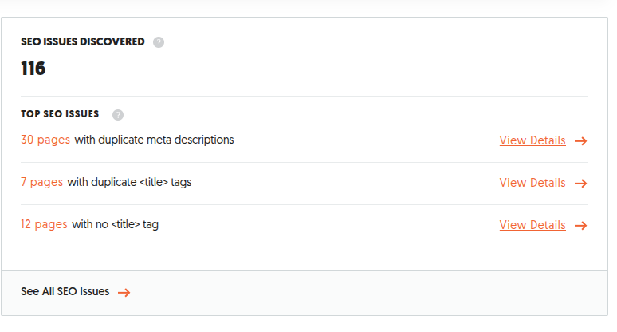

Page Speed
MOBILE PERFORMANCE RATE | DESKTOP PERFORMANCE RATE
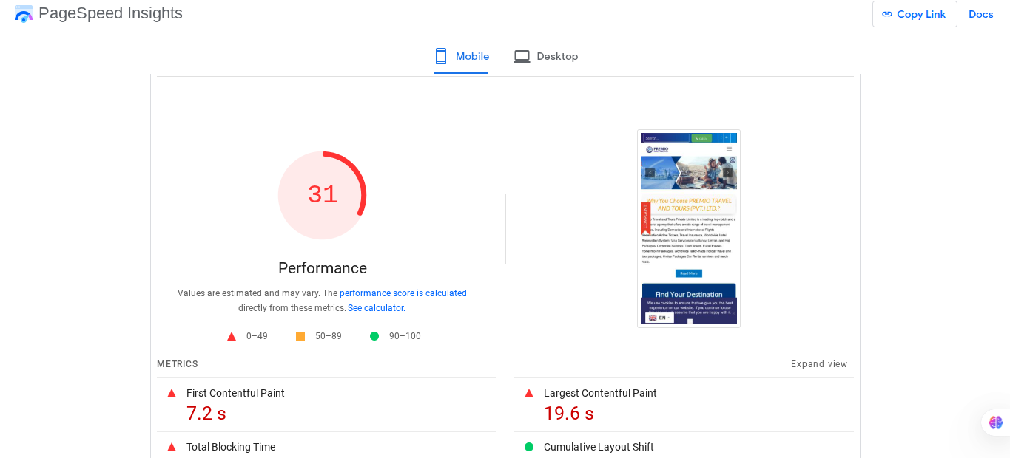 | 